Breeblaar (ID)
Amaranthus spp. | Misbredie | Pigweed | 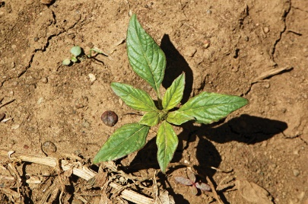 | 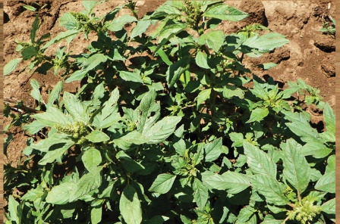
Amsinckia menziesii | Vioolnek | Cape fiddleneck | 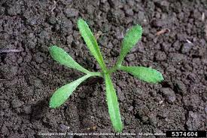 | 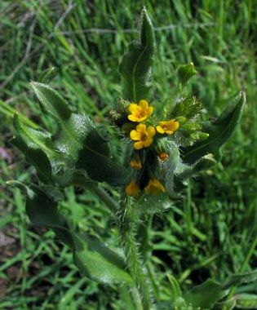
Anagallis arvensis | Pimpernel | Scarlet Pimpernel | 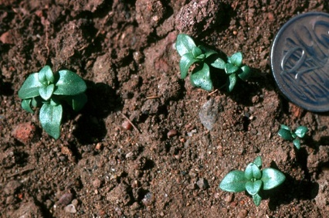 | 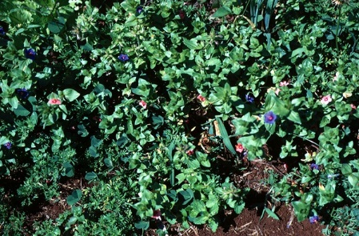
Arctoteca calendula | Gousblom | Cape Marigold | 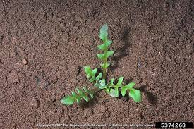 | 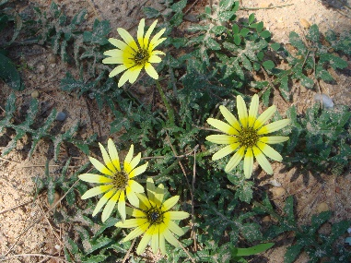
Argemone subfusiformis | Bloudissel | White Flower Poppy | 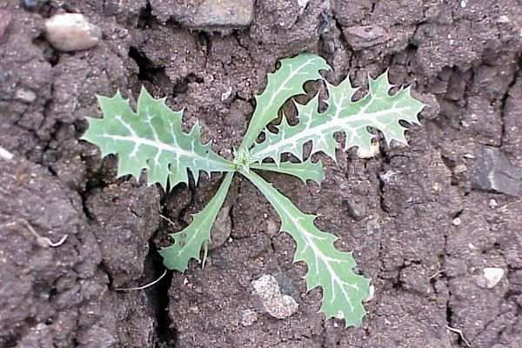 | 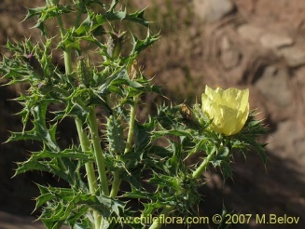
Bidens | Knapsekêrel | Blackjack | 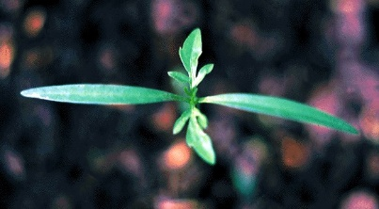 | 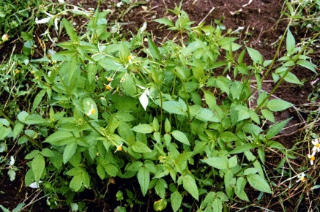
Capsella bursa-pastoris | Herderstassie | Shepherd's purse | 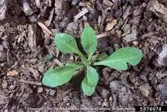 | 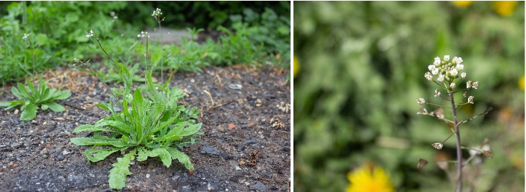
Cenia turbinata | Ganskos | Goose daisy
Chenopodium album | Hondebossie | White Goosefoot
Commelina benghalensis | Wandelende Jood | Wandering Jew |  | 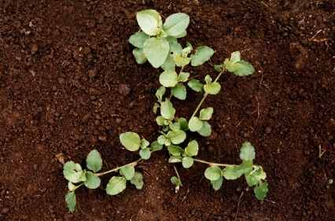
Conyza spp. | Skraalhans | Fleabane | 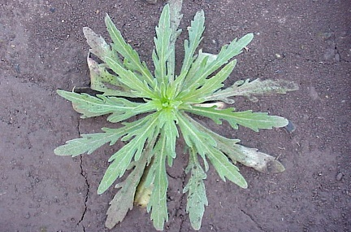
Datura ferox | Groot Stinkblaar | Large Thorn apple
Datura stramonium | Gewone Stinkblaar | Common Thorn Apple
Echium plantagineum | Pers echium | Patterson Curse
Echium vulgare | Blou echium /bloubos | Blue Weed
Emex australis | Kaapse dubbeltjie | Spiny emex
Erodium moschatum | Turknael | Musk Heron's Bill
Flaveria bidentis | Smelterbossie | Smelter's bush
Foeniculum vulgare | Vinkel | Fennel
Fumaria muralis | Duiwekerwel | Flumitory
Galinsoga parviflora | Knopkruid | Gallant Soldier
Galium spurium | Kleefkruid | Small cleaver
Ipomoea purpurea | Purperwinde | Morning Glory
Lepidium africanum | Peperbossie | Peper weed
Malva parviflora | Kiesieblaar | Small Mellow
Medicago / Trifolium | Medics/Klawers
Nicandra physaloides | Basterappelliefie | Apple of Peru
Oxalis latifolia | Rooisuring | Pink-sorrel
Oxalis pes-caprae | Geelsuring | Yellow- sorrel
Pentzia grandiflora | Groot stinkkruid | Stinkweed
Pentzia suffruticosa | Klein stinkkruid | Small Stinkweed
Plantago lanceolata | Tongblaar | Ribwort
Polygonum aviculare | Koperdraad | Prostate knotweed
Portulaca oleracea | Porselein | Purslane
Raphanus raphanistrum | Ramenas | Wild Radish
Rumex angiocarpus | Steenboksuring | Sheep sorrel
Senecio consanguineus | Hongerbos | Ragwort
Sisymbium thellungii | Wildemostert | Wild mustard
Soncus oleraceus | Sydissel | Spiny sow thisle
Spergula arvensis | Sporrie | Corn Spurry
Stellaria media | Sterremuur | Chickweed
Tribulus terrestris | Dubbeltjie | Dubbeltjie
Urtica urens | Brandnetel | Nettle
Vicia sativa | Perswieke | Tiny Purple Vetch
Xanthuim spinosum | Boetebos | Cocklebur
Xanthuim strumarium | Kankerroos | Large Cocklebur

